Tub Experiment
How are Currents Formed?
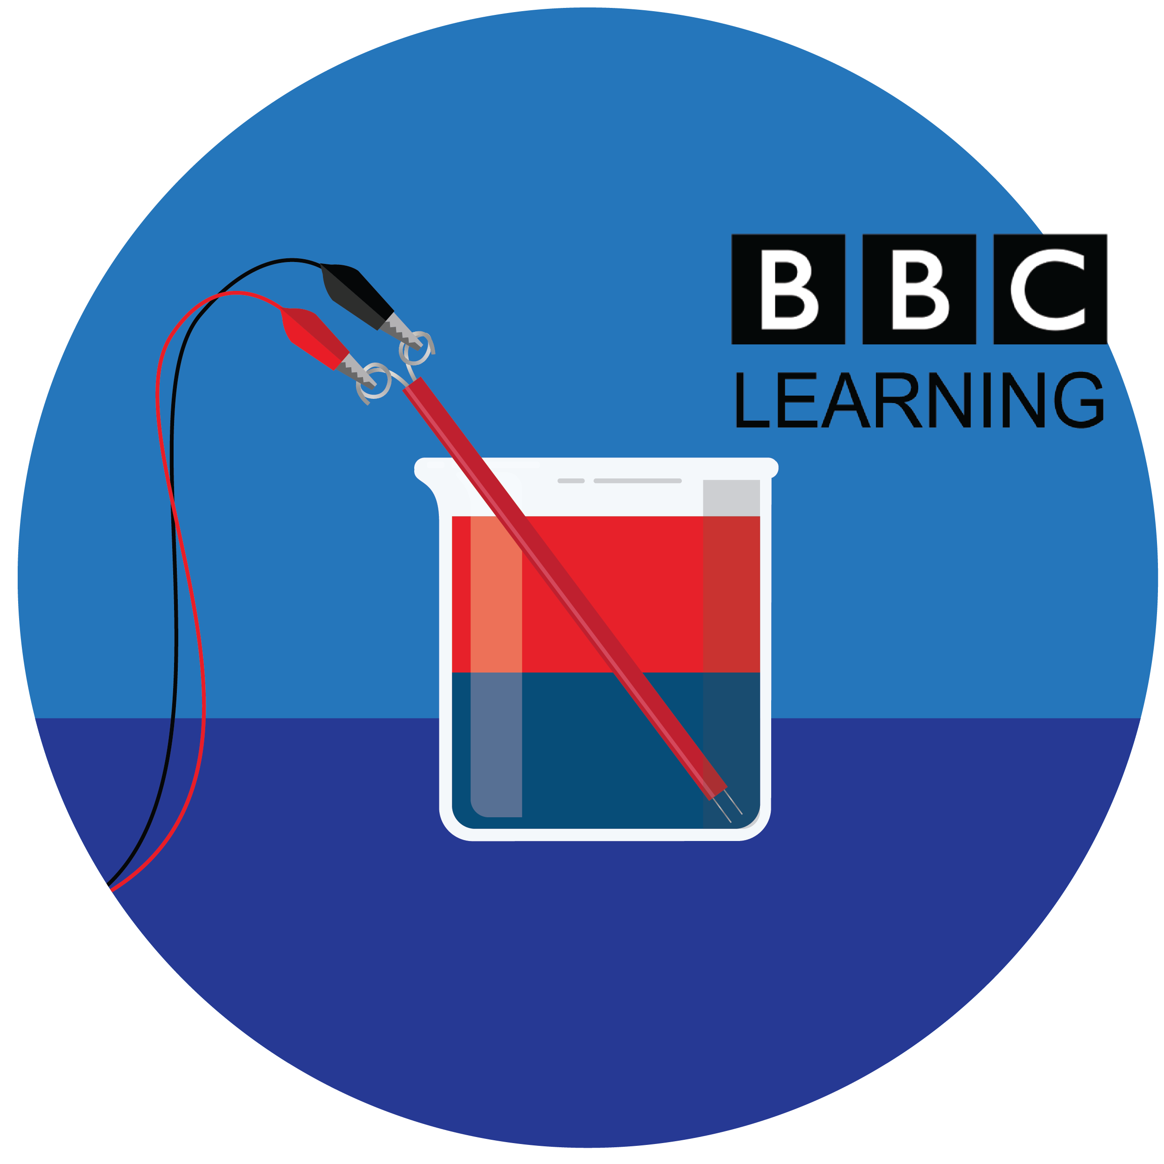
Purchasing for a group? Enter your group size (10 as an example), and we will calculate how many of each item you need. | group of | 10
Currents Lesson 1: Tub Experiment | INDIVIDUAL quantity | GROUP total quantity (adjust above)
13" long clear tub | 1 | 10
500 ml Beaker | 2 | 20
Blue food coloring | 1 | 10
Thermometer | 1 | 10

Temperature Experiment
How are Currents Formed?
Purchasing for a group? Enter your group size (10 as an example), and we will calculate how many of each item you need. | group of | 10
Currents Lesson 1: Tub Experiment | INDIVIDUAL quantity | GROUP total quantity (adjust above)
Large Tub | 1 | 10
500 ml Beaker | 2 | 20
Red food coloring | 1 | 10
Blue food coloring | 1 | 10
Eye dropper | 1 | 10
Teaspoon | 1 | 10

Salinity Experiment
How are Currents Formed?
Purchasing for a group? Enter your group size (10 as an example), and we will calculate how many of each item you need. | group of | 10
Currents Lesson 1: Tub Experiment | INDIVIDUAL quantity | GROUP total quantity (adjust above)
Table Salt | 1 | 10
500 ml Beaker | 2 | 20
Blue food coloring | 1 | 10
Eye Dropper | 1 | 10
Teaspoon | 1 | 10

Analog EC Sensor
How are Currents Formed?
Purchasing for a group? Enter your group size (10 as an example), and we will calculate how many of each item you need. | group of | 10
Depth Lesson 2: Analog Electroconductivity Sensor | INDIVIDUAL quantity | GROUP total quantity (adjust above)
Biodegradable cups | 2 | 20
10mm LED | 1 | 10
AA Baterries | 2 | 20
2xAA Battery Holder | 1 | 10
Double ended alligator clips | 3 | 30
10cm clips of copper tape | 2 | 20
Coffee stir sticks | 1 | 10
Deionized water | 1 | 10
Baking Soda | 1 | 10

Digital EC Sensor
How are Currents Formed?
Purchasing for a group? Enter your group size (10 as an example), and we will calculate how many of each item you need. | group of | 10
Depth Lesson 3: Digital Electroconductivity Sensor | INDIVIDUAL quantity | GROUP total quantity (adjust above)
Paper straw - biodegradable | 1 | 10
Stainless steel wire (28 gauge, 17 cm long) | 2 | 20
Coffee stir sticks | 1 | 10
100 Ohm resistor | 1 | 10
Pin ended alligator clips | 2 | 20
Breadboard 170 point | 1 | 10
Pin ended jumper wires (male to male) | 5 | 50

If using an Arduino UNO purchase the below items:
Arduino UNO | 1 | 10
USB Cable type A to B | 1 | 10

If using a micro:bit purchase the below items:
Microbit | 1 | 10
USB Cable type A to micro B | 1 | 10
Large breadboard | 1 | 10
Microbit breakout board with headers | 1 | 10

